Sheet1
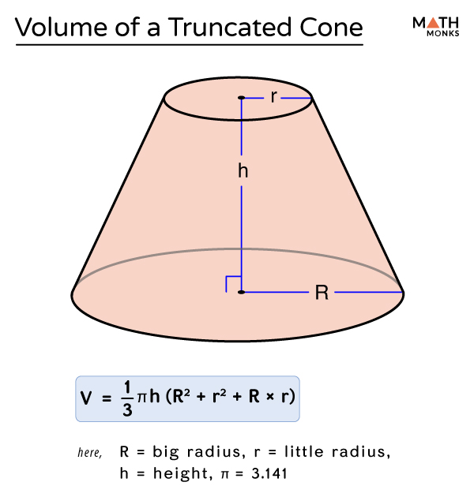
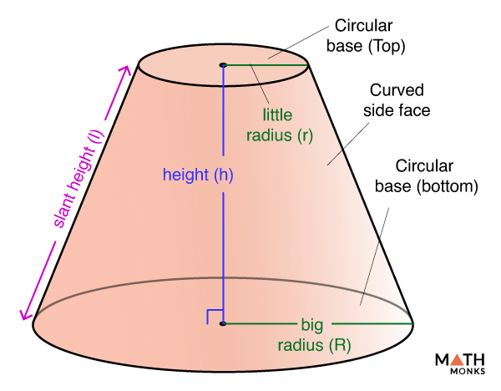
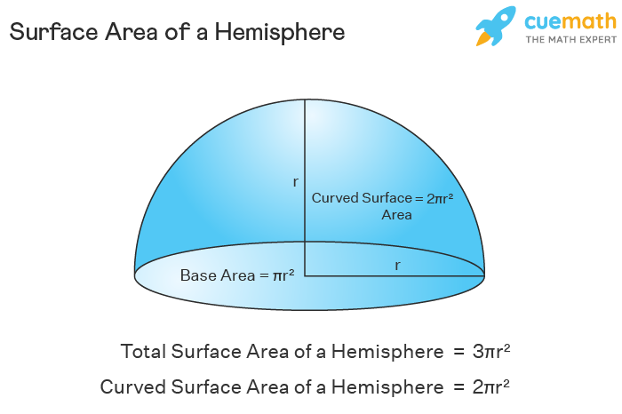
 |  |  |  |  |  |  |  |  |  |  | https://mathmonks.com/frustum/truncated-cone | https://www.cuemath.com/measurement/surface-area-of-a-hemisphere/
 | WFMA Goldilocks Geometry Calculation Matching Microprobes Traveler

 | (Constant) Pi | Radius_tip | Radius_base | Length_slant | Height | Surface Area | Surface Area
 | unitless | µm | µm | µm | µm | (µm^2) | (cm^s)
 | 3.1415926536 | 1.00 | 37.50 | 47.25 | 30.00 | 5720.83 | 5.720832936E-05
 | 3.1415926536 | 1.50 | 37.50 | 46.86 | 30.00 | 5755.71 | 5.75570695E-05
 | 3.1415926536 | 2.50 | 37.50 | 40.31 | 20.00 | 5104.94 | 5.1049358509E-05
 | 3.1415926536 | 2.50 | 37.50 | 36.40 | 10.00 | 4613.50 | 4.6134978573E-05
 | 3.1415926536 | 1.00 | 37.50 | 37.85 | 10.00 | 4583.70 | 4.5836953313E-05
 | 3.1415926536 | 1.00 | 37.50 | 47.25 | 30.00 | 5720.83 | 5.720832936E-05
 | 3.1415926536 | 1.00 | 37.50 | 37.85 | 10.00 | 4583.70 | 4.5836953313E-05

 | Estimated Microprobes GSA From SEM Images
 |  | INPUT | INPUT | INPUT
 | (Constant) Pi | Diameter_tip | Diameter_base | Exposed Length | Radius_tip | Radius_base | Height_truncated-cone | Length_slant | Surface Area | Surface Area
 | unitless | µm | µm | µm | µm | µm | µm | µm | (µm^2) | (cm^s)
EXAMPLES | 3.1415926536 | 5.00 | 70.00 | 65.00 | 2.50 | 35.00 | 62.50 | 70.45 | 8338.38 | 8.3383776027E-05
 | 3.1415926536 | 3.80 | 70.00 | 65.00 | 1.90 | 35.00 | 63.10 | 71.25 | 8282.86 | 8.282856948E-05
 | 3.1415926536 | 3.60 | 70.00 | 65.00 | 1.80 | 35.00 | 63.20 | 71.39 | 8273.76 | 8.2737567574E-05
 | 3.1415926536 | 3.40 | 70.00 | 65.00 | 1.70 | 35.00 | 63.30 | 71.52 | 8264.70 | 8.2647002462E-05
 | 3.1415926536 | 3.20 | 70.00 | 65.00 | 1.60 | 35.00 | 63.40 | 71.66 | 8255.69 | 8.255687375E-05
 | 3.1415926536 | 3.00 | 70.00 | 65.00 | 1.50 | 35.00 | 63.50 | 71.79 | 8246.72 | 8.2467181048E-05
 | 3.1415926536 | 2.80 | 70.00 | 65.00 | 1.40 | 35.00 | 63.60 | 71.93 | 8237.79 | 8.2377923966E-05 |  |  | Equivalent to Surface Area of Truncated Cone, Excluding Top and Bottom Flat Circle Surface Area
 | 3.1415926536 | 2.60 | 70.00 | 65.00 | 1.30 | 35.00 | 63.70 | 72.07 | 8228.91 | 8.2289102121E-05 |  |  | Plus Curved Surface Area of Tip Hemisphere
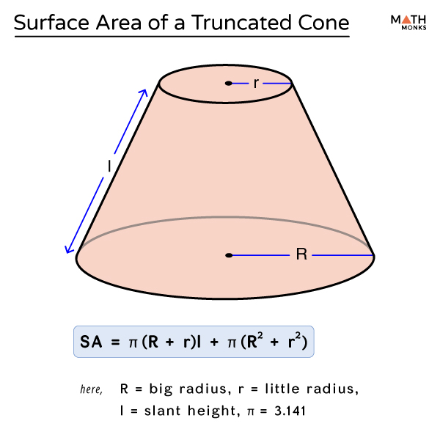
 | 3.1415926536 | 2.40 | 70.00 | 65.00 | 1.20 | 35.00 | 63.80 | 72.20 | 8220.07 | 8.2200715129E-05
 | 3.1415926536 | 2.20 | 70.00 | 65.00 | 1.10 | 35.00 | 63.90 | 72.34 | 8211.28 | 8.211276261E-05 |  | Microprobes Electrode Geometric Surface Area Equivalent To: Surface Area of Truncated Cone, Excluding Top and Bottom Base Circular Surface Areas Plus Curved Surface Area of Hemisphere
 | 3.1415926536 | 2.00 | 70.00 | 65.00 | 1.00 | 35.00 | 64.00 | 72.47 | 8202.52 | 8.2025244189E-05
 | 3.1415926536 | 1.80 | 70.00 | 65.00 | 0.90 | 35.00 | 64.10 | 72.61 | 8193.82 | 8.1938159491E-05
 | 3.1415926536 | 1.60 | 70.00 | 65.00 | 0.80 | 35.00 | 64.20 | 72.74 | 8185.15 | 8.1851508146E-05
 | 3.1415926536 | 1.40 | 70.00 | 65.00 | 0.70 | 35.00 | 64.30 | 72.88 | 8176.53 | 8.1765289783E-05
 | 3.1415926536 | 1.20 | 70.00 | 65.00 | 0.60 | 35.00 | 64.40 | 73.01 | 8167.95 | 8.1679504039E-05
 | 3.1415926536 | 1.00 | 70.00 | 65.00 | 0.50 | 35.00 | 64.50 | 73.15 | 8159.42 | 8.159415055E-05

 | 3.1415926536 |  |  |  | 0.00 | 0.00 | 0.00 | 0.00 | 0.00 | 0
 | 3.1415926536 |  |  |  | 0.00 | 0.00 | 0.00 | 0.00 | 0.00 | 0
 | 3.1415926536 |  |  |  | 0.00 | 0.00 | 0.00 | 0.00 | 0.00 | 0
 | 3.1415926536 |  |  |  | 0.00 | 0.00 | 0.00 | 0.00 | 0.00 | 0
 | 3.1415926536 |  |  |  | 0.00 | 0.00 | 0.00 | 0.00 | 0.00 | 0
 | 3.1415926536 |  |  |  | 0.00 | 0.00 | 0.00 | 0.00 | 0.00 | 0
 | 3.1415926536 |  |  |  | 0.00 | 0.00 | 0.00 | 0.00 | 0.00 | 0
 | 3.1415926536 |  |  |  | 0.00 | 0.00 | 0.00 | 0.00 | 0.00 | 0
 | 3.1415926536 |  |  |  | 0.00 | 0.00 | 0.00 | 0.00 | 0.00 | 0
 | 3.1415926536 |  |  |  | 0.00 | 0.00 | 0.00 | 0.00 | 0.00 | 0
 | 3.1415926536 |  |  |  | 0.00 | 0.00 | 0.00 | 0.00 | 0.00 | 0
 | 3.1415926536 |  |  |  | 0.00 | 0.00 | 0.00 | 0.00 | 0.00 | 0
 | 3.1415926536 |  |  |  | 0.00 | 0.00 | 0.00 | 0.00 | 0.00 | 0
 | 3.1415926536 |  |  |  | 0.00 | 0.00 | 0.00 | 0.00 | 0.00 | 0
 | 3.1415926536 |  |  |  | 0.00 | 0.00 | 0.00 | 0.00 | 0.00 | 0
 | 3.1415926536 |  |  |  | 0.00 | 0.00 | 0.00 | 0.00 | 0.00 | 0

